Steps
Steps |  | Comments
1 | Prepare and Analyze Historical Financials | Lecture: Valuation I
 | a. Download relevant financial statements and create <A.Raw historial data> tab | See <Downloading Data> tab
 | b. Collapse to the right level of details
2 | Building Revenue Forecast | See Chp 11 Valuation Book
 | a. Create <B.Integrated fin.> tab and complete historical data
 | ***Categorize items into operating and nonoperating, both current and noncurrent | See <Notes> tab
 | Line Items required:
 | Income Statement
 | - Revenue, Cost of Goods Sold | Done
 | - Calculate Gross Profit | Done
 | - Operating Expenses, Depreciation | Done
 | - NonOperating Income, NonOperating Expense and any Other NonOp Inc(Exp) | Done
 | - Calculate EBITA and EBIT | Done
 | - Find Marginal Tax Rate
 | - Reported Taxes
 | - Interest Income, Interest Expense and Net Interest
 | - Calculate EBT
 | - Calculate Interest Tax Shield = Net Interest * Marginal Tax Rate
 | - Calculate Operating Taxes
 | - Calculate NOPLAT, After-tax net interest, Net Income
 | Balance Sheet
 | - Net Operating Working Capital = Operating CA - Operating CL
 | - Net Op Long-term Assets (Fixed Assets + Net Other Long-term Op Assets)
 | - Goodwill & Intangibles
 | - Calculate Net Operating Assets [OA] = Invested Capital
Balance Sheet:
Find Invested Capital and Total Funds Invested See <Notes> tab
 | - NonOperating Assets (incl. investments) [NOA]
 | - Calculate Total Assets = OA + NOA = Total Funds Invested
 | - Reconcile Retaining Earnings = Opening RE + Profit - Dividends
 | - Use Closing RE and Calculate Total Equity
 | - Debt, Debt equivalent
 | - Equity, Equity equivalent
 | - Calculated Total Funds Invested = Total Assets = Liabilities + Equity
 | Statement of Accumulated Other Comprehensive Income
 | - Other Reserves
Use either
1. (Revenue_{t} - Revenue_{t-1}) / Revenue_{t-1} or
2. (Revenue_{t}/Revenue_{t-1}) - 1
 | b. Create <C.Hist. & Forecast Ratio> tab and find historical ratios
 | Income Statement
 | - Calculate the historical year-on-year growth for Revenue
 | - COS, Gross Profit, Operating Expenses, Depreciation, EBITA as a % of Revenue
$$\frac{{Reported Taxes}_{t}}{{EBIT}_{t}}\%$$
$$\frac{{Net Interest}_{t}}{{Debt}_{t−1}}\%$$
 | - Reported Taxes as a % of EBIT
 | - Net Interest as a % of prior year's debt
 | - Operating Taxes as a % of EBITA
 | - NOPLAT as a % of Revenue | ** you can use marginal tax to find the forecasted values of Reported Taxes, figures shouldn't differ much
 | - Dividend as a % of Net Income
 | Balance Sheet
 | - Net Op Working Capital, Net Op Long-term Assets, Goodwill as a % of Revenue
 | - Calculate the historical year-on-year growth for Net NonOp Assets
 | - Calculate the historical year-on-year growth for Debt
 | c. Forecast each line item [detailed] | See Chp13 Valuation Book
 | d. Forecast each line item [simplied]
 | For the first 5 years of the forecast, complete a detailed forecast of all line items
 | Income Statement
 | Revenue Growth
 | - Determine the growth pattern of the firm: stable or multiple stages (two- or three- stage growth)
 | - An important challenge with this project is to estimate growth rates for the entire forecast period. Start by undertaking a forecast of Revenue.
 | - Almost every line item in the model will rely directly or indirectly on revenue. Revenue forecasts will be the most important driver behind the entire valuation model.
 | - It is important that you estimate revenue growth rate(s) carefully. You estimates of the growth rate in revenues will have significant impacts on the final outputs from the model.
 | - It is not sufficient to simple extrapolate the historical growth rate. E.g., you may use segmental information to estimate growth rates for the segments in which the firm operates in.
 | - Be careful with your estimates of revenue growth:
 | * Look at the revenue growth for the industry
 | * Consider company-specific factors from an analysis of the company's strategy
 | * Growth rate for the Steady State should not exceed the overall growth rate of the economy by 1 - 2%. For MNCs, growth rate should not exceed growth rate in the global economy
 | - Use Top-down or Bottom-up approach to estimate future revenues. Forecasts should be consistent with historical economy-wide evidence on growth.
 | Others
 | - Cost of Sales, Operating Expenses, Depreciation are usually stable
 | *Depreciation: 2 methods (as a percentage of revenue or PP&E (Fixed Assets))
 | - EBITA
 | - Reported Taxes, Net Interest, NOPLAT, Net Income, Dividend Payout
 | Balance Sheet
 | - Net Operating Working Capital | * only if this is stable: otherwise forecast items that constitute to Operating Working Capital. See Lecture Slide 24
 | - Net Op Long-term Assets
 | - Goodwill & Intangibles
 | - Net NonOp Long-term Assets
 | - Debt (growth)
 | e. Return to <B.Integrated fin.> tab for Step 3
3 | Forecast the Income Statement
 | - Find the forecasted revenue from 2022 to CV using forecasted growth rates
 | - To get the figure for Cost of Goods Sold2022:
 | COGS2022/Revenue2022 = | #REF!
 | COGS2022 = | Revenue2022 * ratio
 | - Similar for Operating Expenses and Depreciation
 | - Find EBITA = Gross Profit - Operating Exp - Depreciation
 | - Find EBIT = Gross Profit - Operating Exp
 | - To get Debt (approximately)
 | * Find average growth rate of debt (stable)
 | * Calculate Debt using historical growth rate
 | - Find Interest Net using Debtt-1 * Forecast Interest Ratio
 | - Find EBT = EBIT - Net Interest
 | - Find Reported Taxes from 2022 to CV using forecasted ratio
 | Reported Taxes2022/EBIT2022 = | #REF!
 | Reported Taxes2022 = | EBIT2022 * ratio

 | - To get Net Income = EBT - Reported Taxes
 | - To get Interest Tax Shield = Net Interest * Forecasted Marginal Tax Rate
 | - To get Operating Taxes = Reported Taxes - Interest Tax Shield
 | - Find NOPLAT = EBITA - Operating Taxes
4 | Forecast the Balance Sheet
 | - To get Net Operating Working Capital
 | Net Op Working Capital2022/Revenue2022 = | #REF!
 | Net Working Capital2022 = | Revenue2022 * ratio
 | - To get Net Op Long-term Assets
 | Net Op Long-term Assets2022/Revenue2022 = | #REF!
 | Net Long-term Assets2022 = | Revenue2022 * ratio
 | - To get Goodwill
 | Goodwill2022/Revenue2022 = | #REF!
 | Goodwill2022 = | Revenue2022 * ratio
 | - Find Net Operating Asset = Net Op Working Capital + Net Op Long-term Assets + Goodwill
 | - Find Net NonOperating Asset (growth)
 | - Equity, Debt Equivalent: assume to be constant for simple models (unless, i.e., firm explicitly mention a change in reducing pension liabilities)
 | - Find Future Dividends = Profit * Forecasted Dividend Payout Ratio
5 | Reconcile Retained Earnings | See Valuation Book Pg.278-281 & lecture slides 25-27
 | - Find REt = REt-1 + Net Incomet - Dividendst
 | - Find Total Funds Invested
 | - Create Excess cash: serves as the plug to balance the Balance Sheet | *** depending on the situation, you might have to use Newly Issued Debt as a plug, lecture slide 27
 | Invested Capital + Net NonOp Asset + Excess Cash = Debt & its equivalent + Equity + Retained Earnings
 | Invested Cap + Net NonOp Asset = Newly Issued Debt + Debt & its equivalent + Equity + Retained Earnings
6 | Calculate ROIC and FCF | Lecture: Valuation II
 | a. Create <D.Market data & WACC> worksheet and input WACC, Cost of Equity and ROIC
 | b. Create <E.Reorg. fin. stmt> worksheet
 | - Calculate NOPLAT
 | - Find the Change in
 | * Net Operating Working Capital
 | * Net Capex = Net PP&Et - Net PP&Et-1 + Depreciationt | PP&E are long-term assets
 | * Net Debt = Debt - Excess Cash - Interest Expense after Tax | See Valuation Book Pg.329 or take Change in Debt
 | c. Create <F.ROIC & FCF> worksheet
 | * Find FCFF and FCFE
NOPLAT
-/+ Increase (Decrease) Change in Working Capital
-/+ Increase (Decrease) Net Capex
FCFF
- Interest Expense after tax
+ Increase in Debt
FCFE
 |  | If ∆ Working Capital and Net Capex are positive, deduct/minus cash (due to increase in asset)

$$ROIC=\frac{NOPLAT}{Invested Capital}$$

 | * Find ROIC using NOPLAT and Invested Capital
7 | Value FCFF and FCFE
 | a. Create <G.Valuation> tab
 | b. Proceed with FCFF Valuation
 | FCFF Valuation
 | - Input FCFF from <E.Reorg. fin. stmts> worksheet
 | - Input WACC from <D.Market data & WACC> worksheet
 | - Input g from your assumption: perpetuity growth rate
 | - Calculate Present Value of FCFF2022-2031 =
$$PV=\sum_{t=1}^{T}{\frac{{CF}_{t}}{{(1+WACC)}^{t}}}$$

 | - Calculate Continuing Value [Terminal Value] using perpetuity formula
 | No Growth model/Perpetuity:
$${CV}_{T−1}=\frac{{CF}_{T}}{r}=\frac{{CF}_{T}}{WACC}$$

 | Growing Perpetuity:
$${CV}_{T−1}=\frac{{CF}_{T}}{r−g}=\frac{{CF}_{T}}{WACC−g}$$

 | - Discount Continuing Value to find its Present Value
$$PV of CV=\frac{{CV}_{T−1}}{{(1+WACC)}^{T−1}}$$

 | - Find Enterprise Value = PV of FCFF2022-2031 + PV of CV
 | - Find Total Debt by adding up all interest-bearing debt
 | - Calculate Total Equity = Enterprise Value - Total Debt
 | - Input Number of Outstanding Shares [NOSH]
 | - Calculate Price per share = Enterprise Value/NOSH
 | c. Proceed with FCFE Valuation
 | FCFE Valuation
 | - Input FCFE from <E.Reorg. fin. stmts> worksheet
 | - Input Cost of Equity from <D.Market data & WACC> worksheet
 | - Input g from your assumption - perpetuity growth rate
 | - Calculate Present Value of FCFE2022-2031 =
$$PV=\sum_{t=1}^{T}{\frac{{CF}_{t}}{{(1+WACC)}^{t}}}$$

 | - Calculate Continuing Value (Terminal Value) using perpetuity formula
 | No Growth model/Perpetuity:
$${CV}_{T−1}=\frac{{CF}_{T}}{r}=\frac{{CF}_{T}}{WACC}$$

 | Growing Perpetuity:
$${CV}_{T−1}=\frac{{CF}_{T}}{r−g}=\frac{{CF}_{T}}{WACC−g}$$

 | - Discount Continuing Value to find its Present Value
$$PV of CV=\frac{{CV}_{T−1}}{{(1+WACC)}^{T−1}}$$

 | - Find Equity Value = PV of FCFE2022-2031 + PV of CV
 | - Input Number of outstanding shares [NOSH]
 | - Calculate Price per share = Equity Value/NOSH

Notes
Find NOPLAT using Income Statement: <Steps> 2a
Revenue
- Cost of Goods Sold | Ensure that there are only operating expenses. Remove any nonoperating expenses - related to pensions, embedded interest expenses from operating leases, restructuring charges hidden in the cost of goods sold, gains/losses from asset sales, amortization of acquired intangibles, litigation expenses, goodwill impairments, interest income (expenses), income from noncontrolling interests.
Gross Profit
- Op Expenses (eg. SG&A)
- Depreciation
Net Operating Profit [EBITA]
- Operating Taxes | Reported Taxes - Nonoperating Taxes = Operating Taxes Nonoperating Taxes is the interest tax shield from debt, taxes paid on nonoperating income
NOPLAT
- After-tax net interest
Net Income

Find Invested Capital using Balance Sheet: : <Steps> 2a
Operating Perspective
Operating Current Assets | All current assets necessary for the operation of the business - working cash balance, accounts receivables, inventory and prepaid expenses - excl. excess cash and marketable securities
- Operating Current Liabilities | Current liabilities that are related to the ongoing operations of the firm - accounts payable, accrued salaries, prepayments or deferred revenue, income taxes payable ** if a liab is op rather than financial, should be netted from operating assets to determine invested capital and then incorporated into free cash flow ** int-bearing liabs are nonoperating and should not be netted from operating assets, but rather valued separately
Operating Working Capital
+ Fixed Assets | PPE always included in operating assets
Net Op Long-term Assets
= Fixed Assets + Net Other Long-term Op Assets
+ Net Other Long-Term Op Assets | Other Op LT Assets - Other Op LT Liabs = Net Other LT Op Assets If other lt liabs and other lt assets are small and not detailed, assume they are operating If large, then need to split into op and nonop Most LT liabs are not operating liabs but debt and equity equivalent NONOP items should not be included in Invested Capital
+ Intangible Assets | Only internally generated intangible assets are treated like long-term op assets, NOT acquired intangibles (i.e investment in software - capitalized software)
Invested Capital | See Pg. 176 Koller
+ NonOperating Assets | Both current and noncurrent. Marketable securities, Excess Cash, Receivables from Financial Subsidiaries, Prepaid pension assets, Overfunded pension assets, Nonconsolidated subsidiaries, Other long-term/equity investment, Deferred Tax Assets, Tax loss carryforwards, Derivatives, excess real estate, discontinued operations.
Total Funds Invested

Financing Perspective
Debt | Short-term int-bearing liab: commercial paper, notes payable, current portion of LT debt Long-term: fixed debt, floating debt, convertible debt with mat of more than a year
Debt Equivalent | Unfunded retirement/pension liabilities, unfunded postretirement medical liabs, restructuring reserves (more in Chapter 19), expected environmental remediation following a plant closure Hybrid securities: convertible debt, preferred stock, employee options
Equity | Common stock, paid in capital, retained earnings, Accumulated other comprehensive income (currency adjustments, aggregate unrealized gains and losses from liquid assets who value has changed but that have not yet been sold, pension plan flctuation within a certain band) Stock repurchase and held in treasury excluded in Total Equity
Equity Equivalent | NonControlling int (treat the bal sht amount as EE, earnings as a financing cf similar to dividends) Deferred taxes - diff in how biz and govt account for taxes
Total Funds Invested

Difference in Total Funds Invested is due to the segregation of Other Current Assets/Liabs, Other Assets/Liabs

Downloading Data
Step 1a: Prepare and Analyze Historical Financials
The layout of the FMC Data Room:
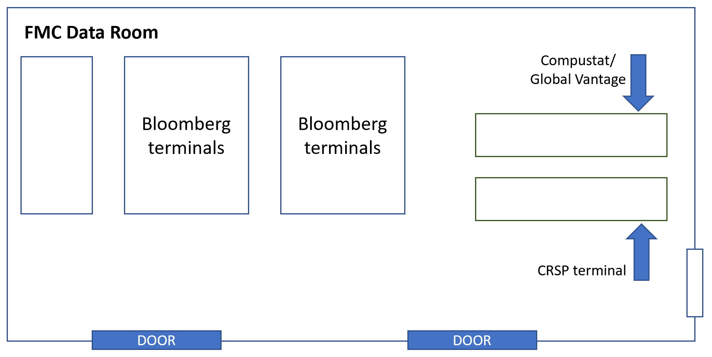

- You need to download or compile a number of years of historical income statement and balance sheet information for your company – preferably 10 years of historical data.
- This data will provide important inputs for your forecast.
- You can get income statement and balance sheet information manually from the financial statements of the company; they will be available on the company’s website or on SEC Edgar.
- Manual collection is time consuming. It is recommended you select one of the commonly used financial databases in the FMC Data Room. The recommended options are:

(1) Bloomberg
- Create an account. Learn the terminal functions. You can find significant support material online.
- Alternatively, the online Bloomberg Market Concepts (BMC) course is a useful way to learn the commonly used terminal functions. Link below:
Bloomberg Market Concepts (BMC)

(2) Thomson Reuters Eikon
- You can access Thomas Eikon through on or off-campus. Please log out once you have downloaded the necessary information as a new user can kick out an existing user.
Username: student.eikon1@ucdconnect.ie
Password: ucdEikon1
See more information at: https://intranet.ucd.ie/onlinelib/special_logins/index.html
- Under the landing page, go to the Search box and enter the name of the selected company.
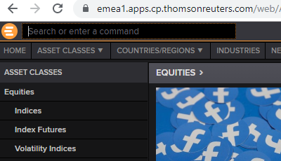

- Under the Financials > Reuters Fundamentals tab, you should be able to download the necessary financial statements using an excel icon at the top right-hand corner of the page.
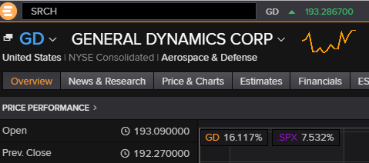

(3) FAME
For future project assignments which require you to work with UK or Irish firms, the FAME database may be useful. FAME can be accessed through the UCD Library website. Follow these instructions:
· Visit UCD Library website.
· Underneath the search bar, click the ‘Databases’ link.
· Search for FAME.
· Select the “FAME: UK and Irish financial company information and business intelligence (Bureau van Dijk)” database.
· Enter your student login details to access the database.

FAME can be accessed remotely from your home. There is no need to be on campus to access this database. Access the historical financial data for your company through FAME:
· Click on the > Search > Company tab. Search for your company name.
· There may be several companies with the same name. Make sure you select the correct company. The company should have the ‘PLC’ abbreviation at the end of the company name.
· Click on the correct company in the search results.
· A menu appears on the right-hand side of the screen. Click the ‘Financials’ tab. Click on the sub-tab you wish to access: balance sheets, income statements or cash flow statements.
· Click on the Excel icon to export the data into an Excel spreadsheet:
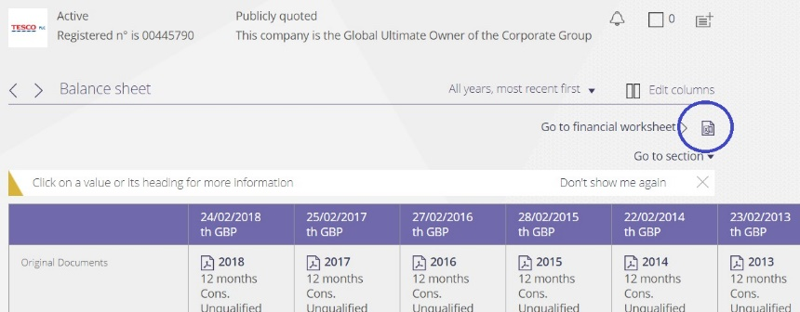

· You can now manipulate and format the data in Excel before copying it into the Valuation Model template.

